Sheet2
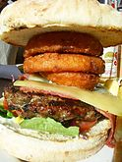
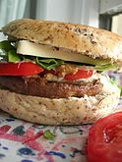
50/50 burger
Angus burger
Australasian hamburgers
Banquet burger
Barbecue burger
Bøfsandwich[6]
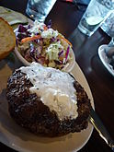
Butter burger
Buffalo burger
California burger
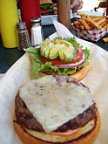
Carolina burger
Cheeseburger
Chili burger
Curry burger
Green chile burger | 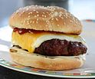
Hamdog
Hawaii burger
Jucy Lucy
Kimchi burger
Luther Burger
Naan burger
Pastrami Burger
Patty melt
Rice burger
Salmon burger
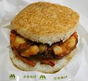
Slider
Slopper
Slugburger
Steak burger
Teriyaki burger
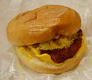
Veggie burger

